HOME
GRC MONTHLY ITGC AUDIT


RUN AUDIT

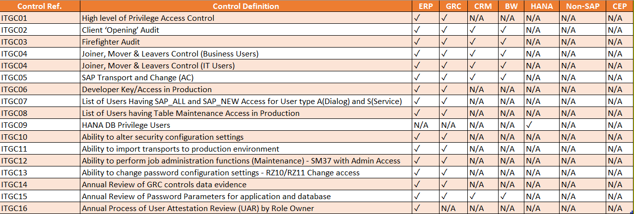
Important Instructions:
------------------------------------------------------------------------------------------------------------------------------------------------------------------------------
1. Load SAPUILandscape.XML File: Click the "XML SETTING" button to load the SAPUILandscape.XML file. This file contains the configuration settings for the SAP system.
2. View Logs: Click the "OPEN LOGS" button to access and review the logs. This helps in monitoring and troubleshooting any issues that may arise during the automation process.
3. Execute Control: Click the "RUN AUDIT" button to execute the control. This step initiates the audit process, allowing the tool to perform checks and generate reports on IT General Controls (ITGC).

XML SETTING

OPEN LOGS

DEVELOPER

